Sheet1
 |  | Document No. | Issue No. | Issue Date |  | Review and Replace Date |  | Authorised By
 |  | GFF542MC | 1 | 22.09.2025 |  | New Document |  | Magda Shah
 |  | Document Title | 8 Duck Samosas with Plum Dip 240G
Document amendments reason for change |  | New Document |  |  | Page 1 of 1 | Previous Issue Date | New Document | Uncontrolled copy unless signed original


CDSAC-R1TEB | BOOTHS - XMAS |  | 8 Duck Samosas with Plum Dip 240G
STEP 1 |  |  |  |  | STEP 2
 |  |  |  |  | 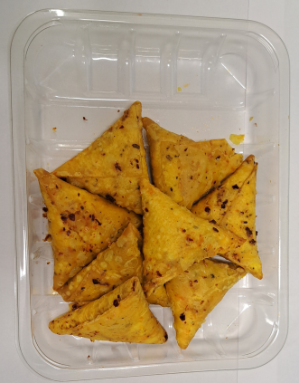

Tray: HP-C5E- Clear Trays (RPET400mu) (PKHOL001-07) |  |  |  |  | 8 Duck Samosas-(GFF552R-Pul Biber (HT))-25g
Film: AF Weld Film (300mmX1000lm) -PKKMP001-07
STEP 3 |  |  |  |  | STEP 4
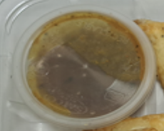 |  |  |  |  | 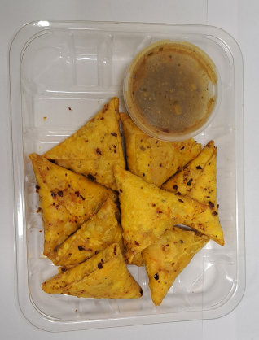
Satco 2oz Pots with Lids (PKJEN001-03)
Plum Chilli Sauce -(GFF553R)- 40g |  |  |  |  | 8 Duck Samosas with Plum Dip -240g |  |  |  | TOTAL WEIGHT: 240g
ALLERGY ALERT: SOYA , WHEAT, SESAME

